On Track Calculator
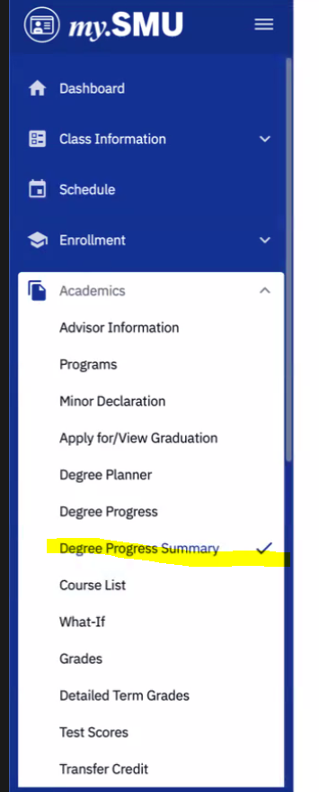
 | On Track Calculator
 | Instructions
 | Please start by pulling your DPR Summary from the "Academics" tab in my.SMU. You will need to enter numbers from your DPR into the yellow boxes below by finding the corresponding number/letter (ex. "1 A"). Look at the example DPR as a guide. Do not edit any other cells. The rest of the form will auto populate and give you information about your progress. Don't forget to create a tentative schedule (bottom of form).

 | Step 1: Identify Minimum Graduation Requirements

 | SMU Units Remaining |  |  |  |  | 1 A) | 0

 | Total Academic Units Remaining |  |  |  |  | 1 B) | 0

 | Advanced Units Remaining |  |  |  |  | 1 C) | 0
 | Advanced refers to any course taken at the 3000 level or higher.

 | Explanation: The largest of these three numbers tells us the minimum hours needed to graduate.
 | Assuming you successfully complete this semester, you will need at least |  |  |  |  |  | 0 | hours
 | after this semester. Of those hours, |  | 0 | hours need to be advanced.

 | However, you also have to fill your CC, Major, and Minor requirements. Let's check that next to see if additional hours (on top of your minimum graduation requirements) are needed.

* units refers to hours | Step 2: Identify Remaining CC, Major, and Minor Requirements

 | Count the number of CC requirements remaining, excluding second language (include foundations, breadths, and P&Es) |  |  |  |  | 2 A) | 0

 | CC Hours Estimate |  |  |  |  |  | 0

 | Second Language Units Estimate |  |  |  |  | 2 B) | 0
 | Enter the number of hours that you anticipate remaining (0, 4, 8, etc.)

 | ECO Major Units Remaining |  |  |  |  | 2 C) | 0

 | 2nd major units remaining, if applicable |  |  |  |  | 2 D) | 0

 | Minor units remaining, if applicable |  |  |  |  | 2 E) | 0

 | 2nd Minor units remaining, if applicable |  |  |  |  | 2 F) | 0

 | Estimated sum of CC, major, and minor requirements |  |  |  |  |  | 0

 | Step 3: Compare Steps 1 and 2
 | Explanation: Next we compare Step 2 against Step 1. Your Step 2 hours are
 |  |  |  |  |  |  | less than
 | your largest Step 1 hours requirement. Once again, your overall hours needed will be the largest of these numbers.

 | Therefore, your overall remaining hours will (likely) be |  |  |  |  |  | 0 | hours.

 | If your Step 2 hours were less than your Step 1 hours, then you'll need to take additional hours (electives) to hit the graduation requirement.

 | Approximately how many additional hours are needed? |  |  |  |  |  | 0 | hours

 | Step 4: Are You on Track to Graduate on Time?

 | Estimated hours remaining overall |  |  |  |  |  | 0

 | Number of semesters remaining |  |  |  |  | 4 A) | 0
 | Example: If it is midway through Fall 2023, and you anticipate graduating in Spring 2025, then you have "3" semesters left. However, if it is is Fall 2023, but you have already enrolled in Spring 2024 classes, then you'd enter a "2" in the box.

 | Average Units Per Semester |  |  |  |  |  | #DIV/0!

 | On track? |  |  |  |  |  | #DIV/0!

 | Step 5: Schedule Help

 | Number of ECO major courses remaining after this semester |  |  |  |  |  | 0

 | Average # of ECO Courses Per Semester |  |  |  |  |  | #DIV/0!

 | You should take | #DIV/0! | OR | #DIV/0! | ECO major courses each semester.

 | You need to average | #DIV/0! | to | #DIV/0! | hours each semester.

 | Step 6: Create a Tentative Schedule for Next Semester |  |  |  |  |  |  |  | Schedule Example
 |  |  |  |  |  |  |  |  |  | Course Name | Hours
 | Please do your best to create a tentative schedule. The other tabs contain schedule building resources. | 1) |  |  |  |  |  |  |  | 1) ECO 3302 | 3
 |  | 2) |  |  |  |  |  |  |  | 2) ECO 4330 - Advanced ECO Elective | 3
 |  | 3) |  |  |  |  |  |  |  | 3) ECO 4341 - Advanced ECO elective | 3
 |  | 4) |  |  |  |  |  |  |  | 4) RELI 1301 - CC course | 3
 |  | 5) |  |  |  |  |  |  |  | 5) MKTG 3340 - Minor course | 3
 |  | 6) |  |  |  |  |  |  |  |  | 15

 | Important Notes
 | * This is not an official document. However, the form gives you a rough idea of whether you are on track and provides schedule building guidance. Students are responsible for checking their DPR report regularly.

 | * Some CC courses require 4 units, example: science courses with labs. However, this form assumes 3-hour courses.
 | * The general guideline is 15 hours each semester. Even if you can average less than that, I generally still recommend 15 hour semesters. If you end up being able to take a lighter load your last semester, that's great. Alternatively, if you need to average more than 15 hour semesters, you may want to take Intersession(s) courses to lighten the load.

 | * Lastly, if you make typos in this form, your results will be incorrect. Please take your time.

Schedule Help-general guidance
Schedule Resources: General ECO Guidance
Almost all ECO major courses require completion of ECO 3301 (Intermediate Microeconomics). If you are taking ECO 3301 next semester, you may take the following major courses concurrently:

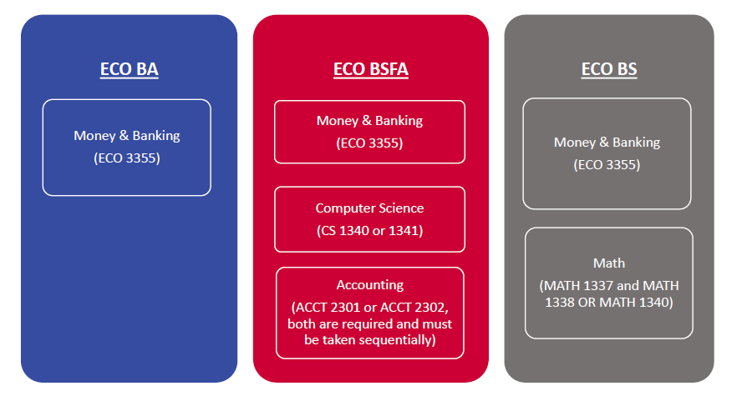

If you have completed ECO 3301, then you may begin taking advanced ECO electives and/or ECO 3302 (Intermediate Macroeconomics).

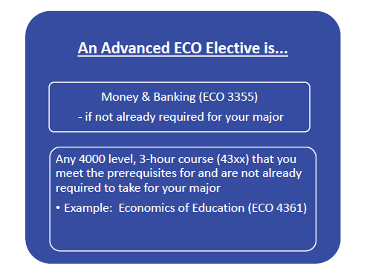

Note: Some advanced electives require completion of ECO 3302. You cannot take those electives until you have completed ECO 3302.

Schedule Help - ECO BSFA
Schedule Resources: ECO BSFA (BS with Finance Applications)
The following charts are designed for ECO BSFA Majors to help you select courses.

Sample 4-Year Plan: ECO BSFA
This is designed to help you build your schedule but is not set in stone. Each student's situation is unique. Click the chart for more information.

Flowchart: ECO BSFA
Alternatively, if you are struggling to select courses after reviewing the sample plan, try the flowchart.

ECO BSFA

Have you completed or are you currently taking Computer Science (CS 1340 or CS 1341)?
Have you completed or are you currently taking ECO 3301: Intermediate Microeconomics?

No

Yes

Have you completed or are you currently taking ECO 3355: Money and Banking?
Take ECO 3301
Take CS 1340 or CS 1341

Take ECO 3302: Intermediate Macroeconomics and/or advanced ECO elective(s)

Have you completed or are you currently taking ACCT 2301: Financial Accounting?
No
Yes

Take
ECO 3355
 | This chart assumes that you've already declared the ECO major and therefore completed the initial prerequisites (ex. ECO 1311).

No
 | This is not an official document but a tool to help you pick courses. Please consult the catalog for official prerequisites.

Take ACCT 2301
Take ACCT 2302: Managerial Accounting
Yes
Yes, then you are done with the financial courses.
 | ECO 3355, ECO 4368, and ECO 4378 must be taken sequentially (i.e. three semesters are required to complete the sequence).

Have you completed or are you currently taking ECO 4368: Foundations of Financial Economics?
Have you completed or are you currently taking ECO 4378: Financial Economics and Investment Behavior?
Yes

No
Take ECO 4368
No
Take ECO 4378

Schedule Help - ECO BA
Schedule Resources: ECO BA
The following charts are designed for ECO BA Majors to help you select courses.

Sample 4-Year Plan: ECO BA
This is designed to help you build your schedule but is not set in stone. Each student's situation is unique. Click the chart for more information.

 | Flowchart: ECO BA
 | Alternatively, if you are struggling to select courses after reviewing the sample plan, try the flowchart.

ECO BA
Have you completed or are you currently taking ECO 3301: Intermediate Microeconomics?
Yes
No
Take ECO 3302: Intermediate Macroeconomics and/or advanced ECO elective(s)
Take ECO 3301 and ECO 3355: Money and Banking (if you need another ECO course)

 |  | This chart assumes that you've already declared the ECO major and therefore completed the initial prerequisites (ex. ECO 1311).

 |  | This is not an official document but a tool to help you pick courses. Please consult the catalog for official prerequisites.

Schedule Help - ECO BS
Schedule Resources: ECO BS
The following charts are designed for ECO BS Majors to help you select courses.

Sample 4-Year Plan: ECO BS
This is designed to help you build your schedule but is not set in stone. Each student's situation is unique. Click the chart for more information.

Flowchart: ECO BS
Alternatively, if you are struggling to select courses after reviewing the sample plan, try the flowchart.

ECO BS
Have you completed or are you currently taking ECO 3301: Intermediate Microeconomics?
Yes
No
Take ECO 3302: Intermediate Macroeconomics and/or advanced ECO elective(s) and/or ECO 4350: Econometrics
Take ECO 3301 and ECO 3355: Money and Banking (if you need another ECO course)
Did you take MATH 1309: Business Calculus or MATH 1337: Calculus I?
MATH 1309
MATH 1337
Contact the Math Department to see if you can have permission to take MATH 1340
Take MATH 1338

 | This chart assumes that you've already declared the ECO major and therefore completed the initial prerequisites (ex. ECO 1311).

 | This is not an official document but a tool to help you pick courses. Please consult the catalog for official prerequisites.

